Cover
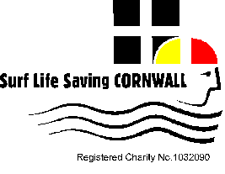

Surf Life Saving Cornwall Youth Stillwater 2022

Bobmin Leisure Center
Saturday 2nd April 2022

Overall Aggregates

Boys |  | Girls |  | Total |  | Gold | Silver | Bronze
Gyllngvase SLSC | 277 | Portreath SLSC | 355 | Portreath SLSC | 589.5 | #VALUE! | #VALUE! | #VALUE!
Portreath SLSC | 234.5 | Gyllngvase SLSC | 178 | Gyllngvase SLSC | 455 | #VALUE! | #VALUE! | #VALUE!
St Ives SLSC | 112 | St Ives SLSC | 124.5 | St Ives SLSC | 236.5 | #VALUE! | #VALUE! | #VALUE!
Polzeath SLSC | 76 | Polzeath SLSC | 115.5 | Polzeath SLSC | 191.5 | #VALUE! | #VALUE! | #VALUE!
Hayle SLSC | 52 | Newquay SLSC | 43 | Newquay SLSC | 78.5 | #VALUE! | #VALUE! | #VALUE!
Holywell Bay SLSC | 44 | Bude SLSC | 42 | Bude SLSC | 72 | #VALUE! | #VALUE! | #VALUE!
Newquay SLSC | 35.5 | Hayle SLSC | 17 | Hayle SLSC | 69 | #VALUE! | #VALUE! | #VALUE!
Bude SLSC | 30 | Holywell Bay SLSC | 15 | Holywell Bay SLSC | 59 | #VALUE! | #VALUE! | #VALUE!

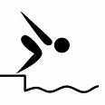
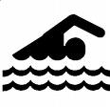

www.surflifesavingcornwall.org.uk

